EN
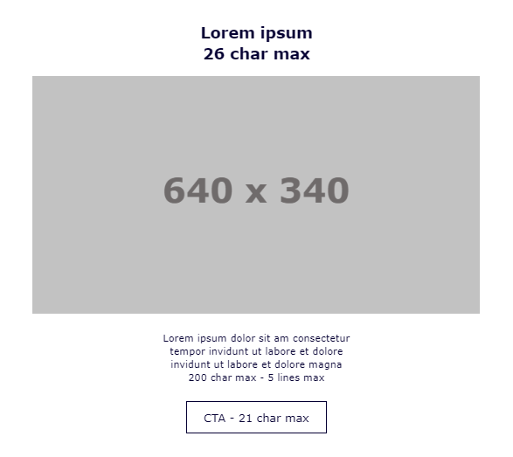
 |  |  | Char. Max. | Char. Written | Check
 | HEADER BLOCK
 | Subject Line | ✨ WINTER SALE EARLY ACCESS ✨ Enjoy 25% off on 2+ night stays
 | E-card Title | Winter is coming... to whisk you away!

MAIN BLOCK - MANDATORY - 1 to choose

 | MAIN OFFER BLOCK 4
 | Title | Members first, always. | 26 | 22 | OK
 | Text | We’re starting our Winter Sale early just for you. Save 25% on winter escapes of 2 nights or more when you book by 16th November*. Plus up to 10% extra with our members' rate on selected European getaways. Thousands of our hotels across Europe and North Africa await.... Where will your winter wanderlust take you? | 200 | 317 | OK
 | CTA | Book now | 21 | 8 | OK
 | URL/ RID (call to action + text)
 | Image name | main_offer

 | SALES CONDITION - OPTIONAL
 | T&C

